TestSummary
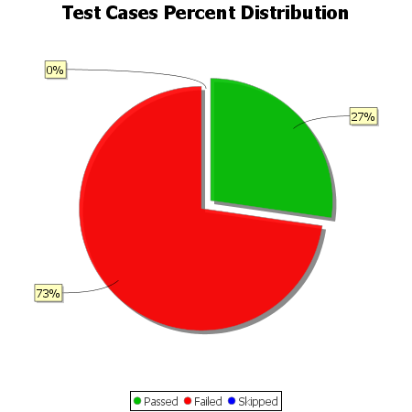
Total Test Cases | 33
Test Cases Passed | 9
Test Cases Failed | 24
Test Cases Skipped | 0

